Opp-50,000 Sqft 1To11 Noida
Client :
Realtor :
Date | 21-Mar-22
Premise Particulars
S.No. | Parameter | Option -1 | Option -2 | Option -3 | Option -4 | Option -5 | Option -6 | Option -7 | Option -8 | Option -9 | Option-10 | Option -11 | Option -12 | Option -13 | Option -14 | Option -15 | Option -16 | Option -18 | Option -19 | Option -20 | Option-21 | Option-22 | Option -30 | Option -31 | Option -32 | Option -33 | Option -34
1 | Photograph | 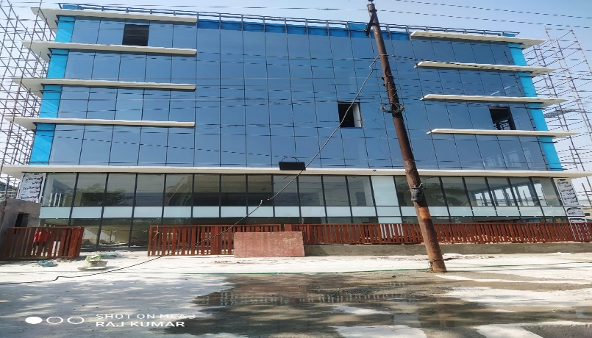 | 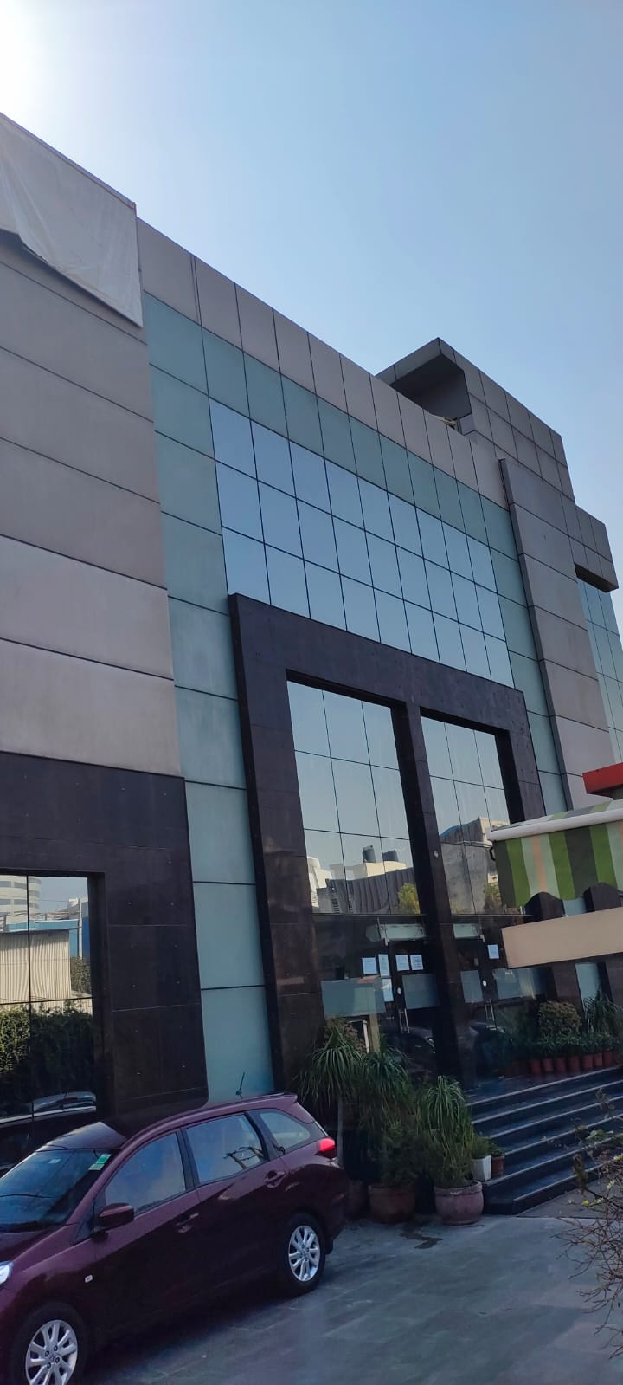 | 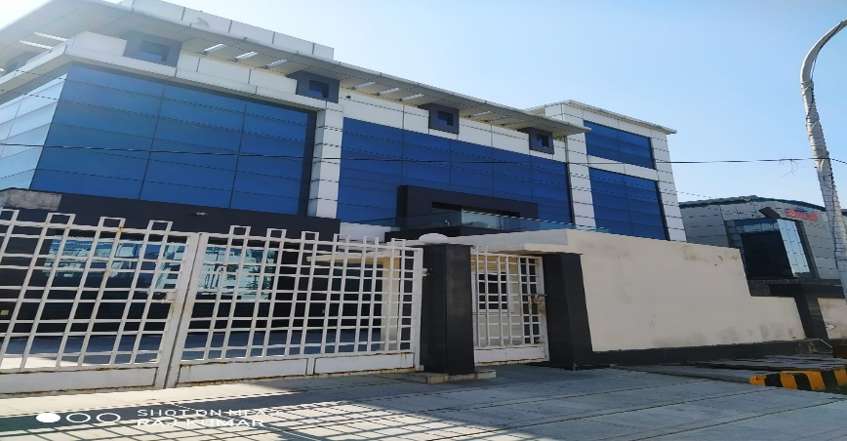 | 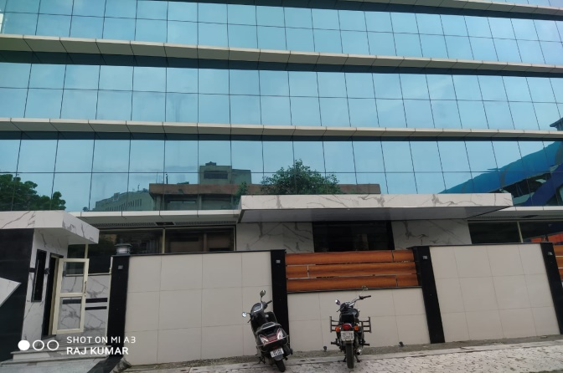 | 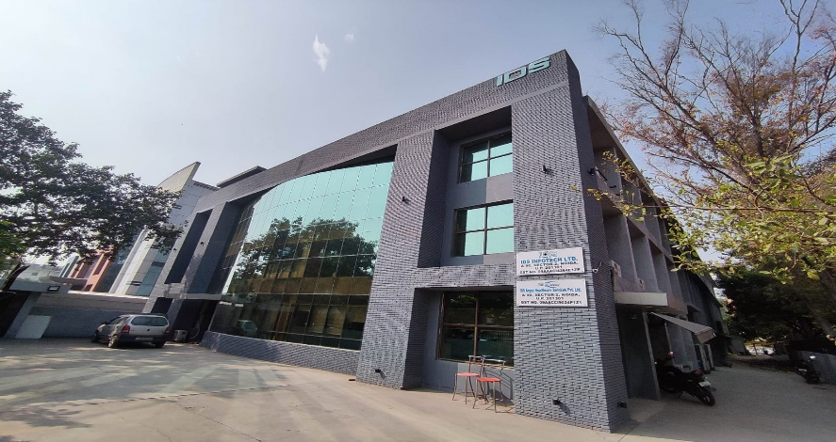 | 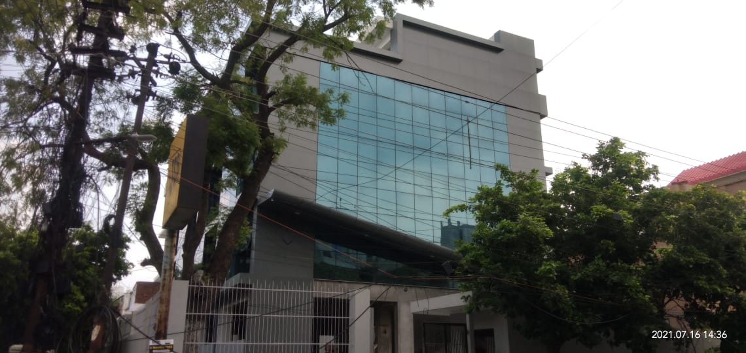 | 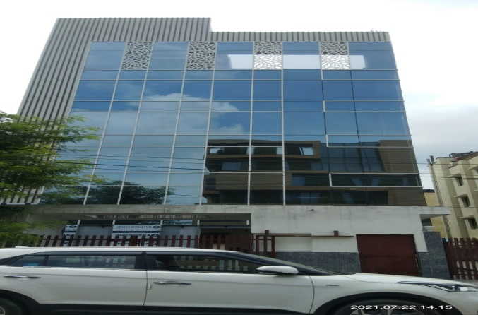 | 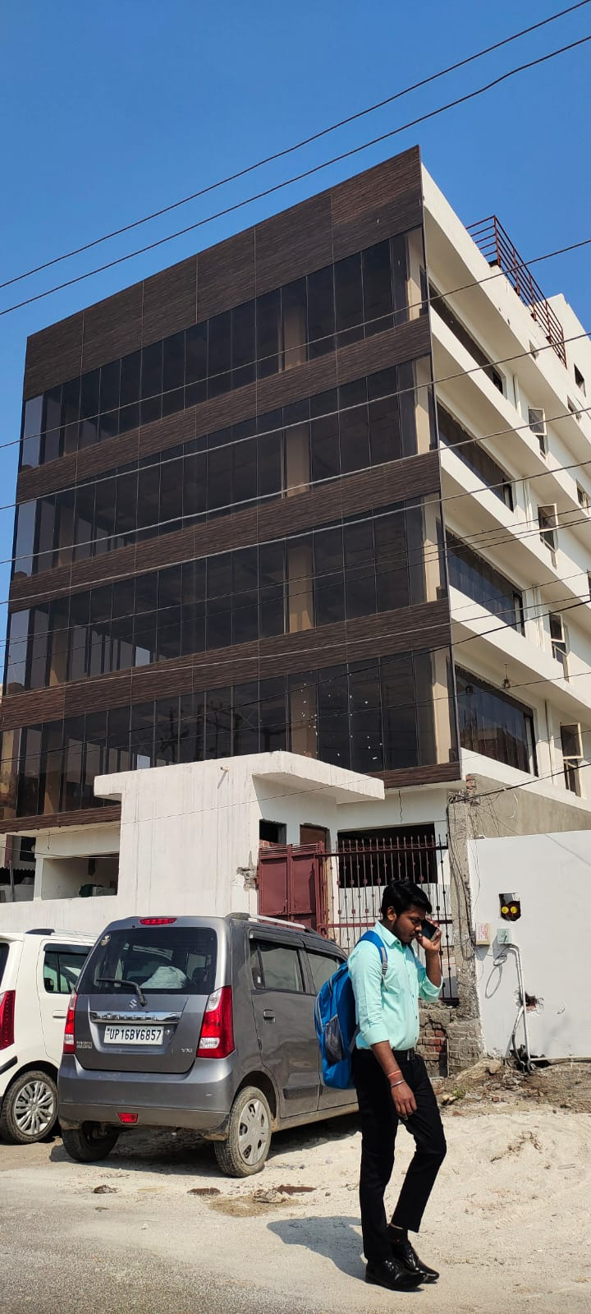 | 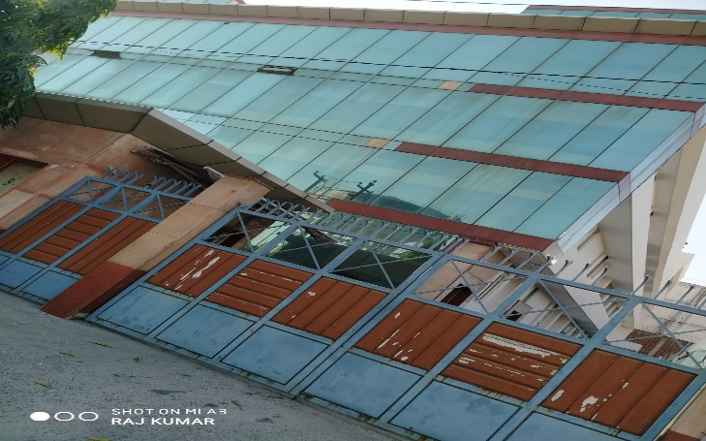 | 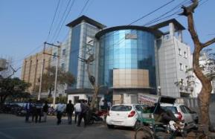 | 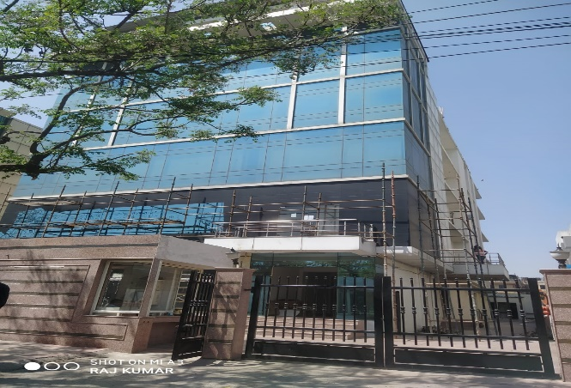 | 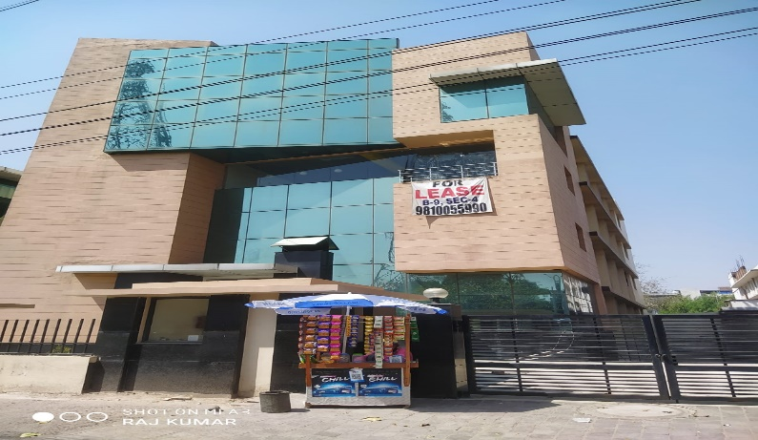 | 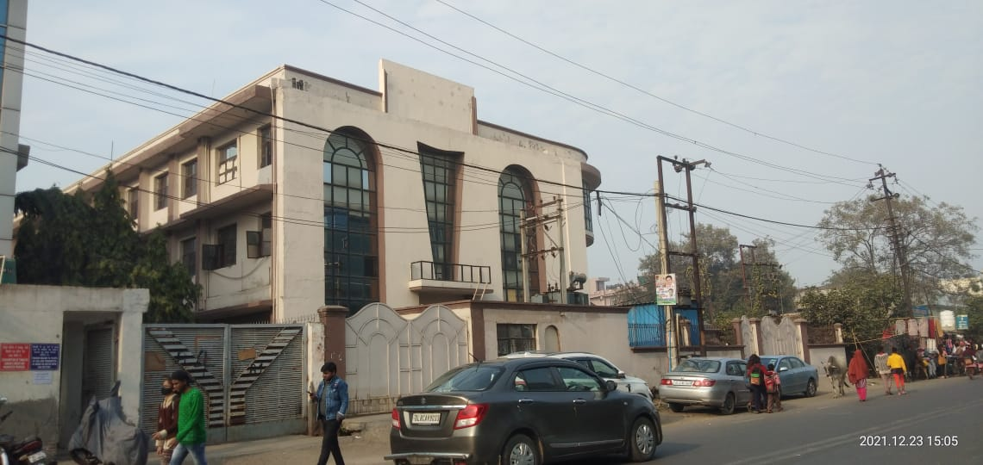 | 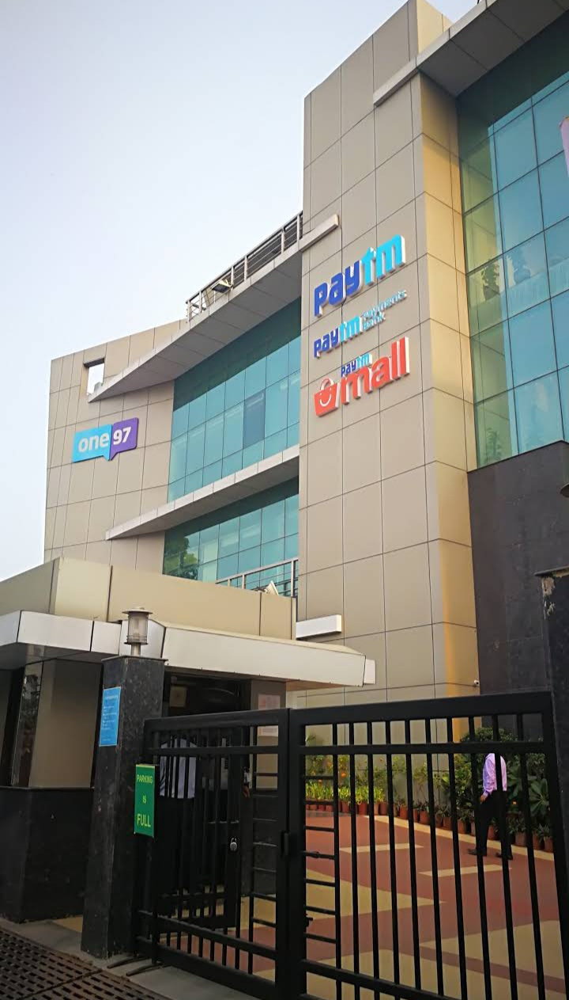 | 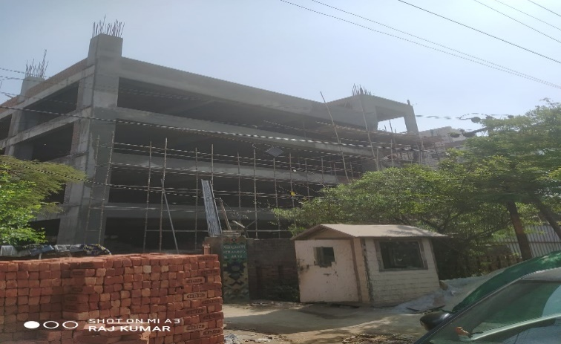 | 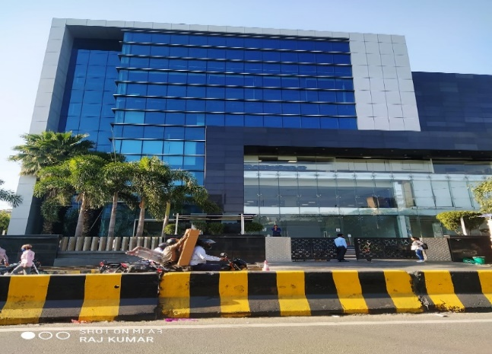 | 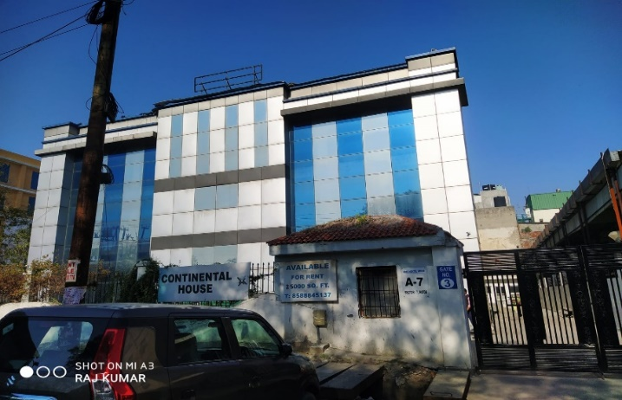 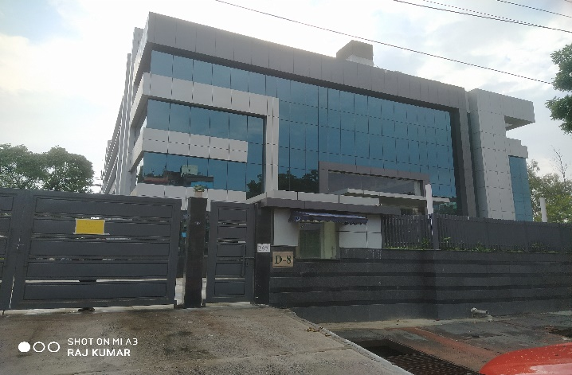 | 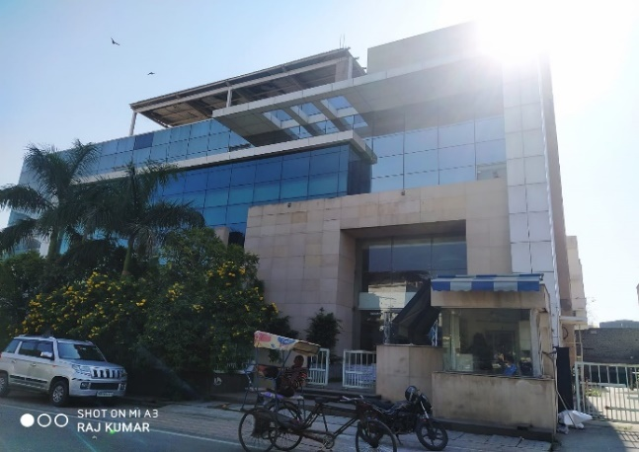 | 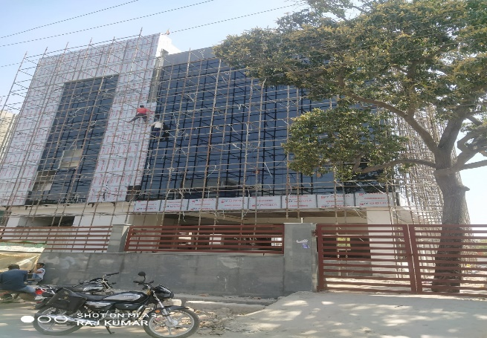 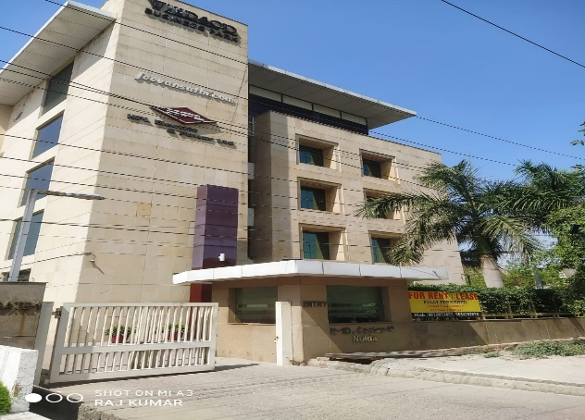 | 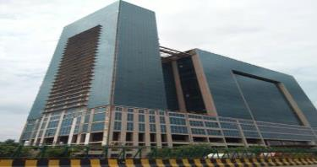 | 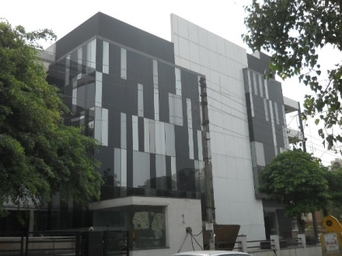 |  |  | 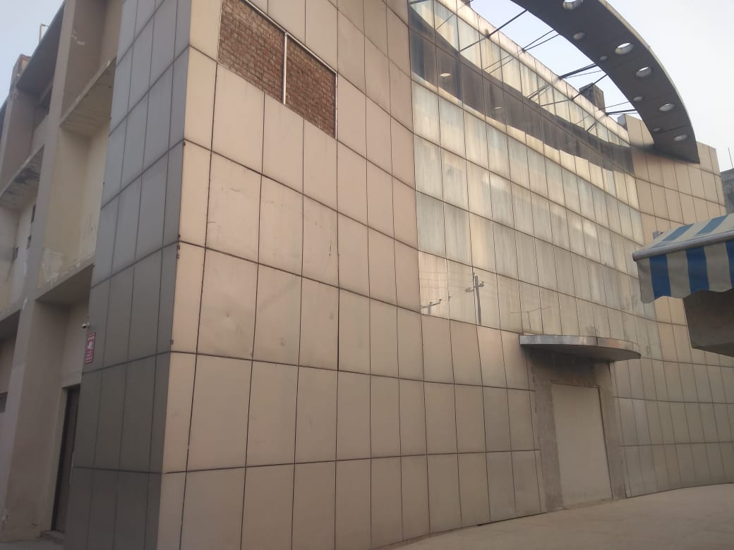 | 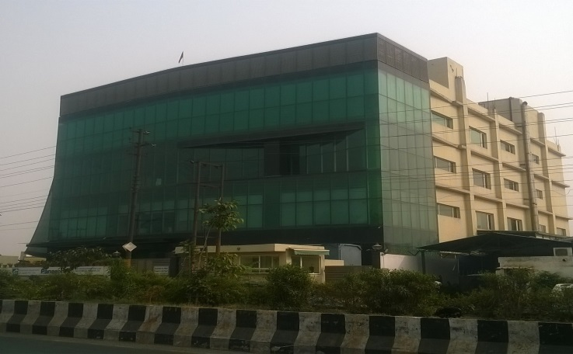 | 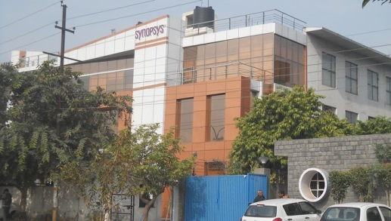
2 | Building Number/Building Name | C-10 | A-80 | A-81 | A-41/42 | A-90 | D-9 | D-18 | C-15 | B-4 | A-110 | B-7 | B-9 | A-5 | B-121 | A-5 | F-1 | D-8 | F-28/29 | B-1D | C-1,WTT | A-12/13 | H-174 | H-182 | D-217 | D-350 | A-36
3 | Location | Sector-1 | Sector-2 | Sector-2 | Sector-2 | Sector-2 | Sector-2 | Sector-3 | Sector-3 | Sector-3 | Sector - 4 | Sector-4 | Sector-4 | Sector-5 | Sector-5 | Sector-6 | Sector-6 | Sector-8 | Sector-8 | Sector-10 | Sector-16 | Sector - 16 | Sector-63 | Sector-63 | Sector-63 | Sector-63 | Sector-64
4 | Building Usage | INDUSTRIAL | INDUSTRIAL | IT & ITES | IT & ITES | IT & ITES | IT & ITES | IT & ITES | IT & ITES | IT & ITES | IT & ITES/ Industrial | IT & ITES | IT & ITES | IT & ITES/ Industrial | IT & ITES | IT & ITES | IT & ITES | IT & ITES | IT & ITES | IT & ITES | Commercial | IT & ITES | INDUSTRIAL/ IT& ITES | INDUSTRIAL/ IT& ITES | Industrial | Industrial | INDUSTRIAL/ IT& ITES
 | Total Area in the building ( In Sq.Ft. as quoted by Developer/ Owner ) | Avg . Floor plate = 12,000 Sq. Ft. Number Of Floors = B+G+Still+4 Total Area = 72,000 Sq. Ft (Approx) | Avg . Floor plate = 12,500 Sq. Ft. Number Of Floors = B+G+1+2 Total Are= 50,000 Sq. Ft (Approx) | Avg Floor plate = 11000 Sq. Ft Number of floors = B+G+2 Total Area = 40,000 Sq. Ft. | Avg Floor plate = 7500 Sq. Ft Number of floors = B+G+4 Total Area = 37,000 Sq. Ft. | Avg . Floor plate = 12,000 Sq. Ft. Number Of Floors = G+1+2 Total Area = 36,000 Sq. Ft | Avg Floor plate = 5500 Sq. Ft Number of floors = B+G+3 Total Area = 27,500 Sq. Ft. | Avg Floor plate = 5500 Sq. Ft Number of floors = B+G+4 Total Area = 28,000 Sq. Ft. | Avg Floor plate = 6,000 Sq. Ft Number of floors = B+G+4 Total Area = 30,000 Sq. Ft. | Avg Floor plate = 12500 Sq. Ft Number of floors = B+G+2 Total Area = 50,000 Sq. Ft. | Avg Floor plate = 31,000 Sq. Ft Number of floors = B+G+3 Total Area = 1,24,000 Sq. Ft. | Avg . Floor plate = 4500 Sq. Ft. Number Of Floors = B+G+5 Total Area = 27,000 Sq. Ft (Approx) | Avg . Floor plate = 5000 Sq. Ft. Number Of Floors = B+G+3 Total Area = 20,000 Sq. Ft (Approx) | Avg . Floor plate = 13000Sq. Ft. Number Of Floors = B+G+2 Total Area = 52,000 Sq. Ft (Approx) | Avg . Floor plate = 12000 Sq. Ft. Number Of Floors= B+G+1+2+3 Total Area = 50,000 Sq. Ft | Avg . Floor plate = 12500 Sq. Ft. Number Of Floors= B+G+3 Total Area = 50,000 Sq. Ft | Avg . Floor plate = 24000 Sq. Ft. Number Of Floors= B+G+4 Total Area = 120,000 Sq. Ft | Avg . Floor plate = 25,000 Sq. Ft. Number Of Floors= 2B+G+4 Total Area = 1,60,000 Sq. Ft | Avg . Floor plate = 12,500 Sq. Ft. Number Of Floors= 2B+G+3 Total Area = 50,000 Sq. Ft | Avg . Floor plate = 15,000 Sq. Ft. Total Floor= B+G+4 Total Available Area = 60,000 Sq. Ft | Avg . Floor plate = 50,165-1,00,000 Sq. Ft. Number Of Floors=2B+3ST+M+LG+UG+22 Total Area = 14,00,000 Sq. Ft | Avg Floor plate= 11,000 Sq. Ft Number of floors = LG+G+3 Total Area= 1,60,000 Sq. Ft.
5 | Total Aira Available On Lease | Total Aira Avlabal On Lease= 72,000 Sqft | Total Aira Avlabal On Lease= 37,500 Sqft | Total Aira Avlabal On Lease= 40,000 Sqft | Total Aira Avlabal On Lease= 37,000 Sqft | Total Aira Avlabal On Lease= 24,000 Sqft | Total Aira Avlabal On Lease= 27,500 Sqft | Total Aira Avlabal On Lease= 28,000 Sqft | Total Aira Avlabal On Lease= 30,000 Sqft | Total Aira Avlabal On Lease= 50,000 Sqft |  | Total Aira Avlabal On Lease= 13,500 Sqft | Total Aira Avlabal On Lease= 20,000 Sqft | Total Aira Avlabal On Lease= 39,000 Sqft | Total Aira Avlabal On Lease= 50,000 Sqft | Total Aira Avlabal On Lease= 50,000 Sqft | Total Aira Avlabal On Lease= 72,000 Sqft | Total Aira Avlabal On Lease= 75,000 Sqft | Total Aira Avlabal On Lease= 50,000 Sqft | Total Aira Avlabal On Lease= 30,000 Sqft | Total Aira Avlabal On Lease= 56,000 Sqft | Total Aira Avlabal On Lease= 33,000 Sqft | Avg . Floor plate = 55,00 Sq. Ft. Total Floors =B+G+3 Total Available Area = 27,500 Sq. Ft | Avg . Floor plate = 6000 Sq. Ft. Total Floors = B+G+2 Total Available Area =24000 Sq. Ft | Avg . Floor plate = 11,000 Sq. Ft. Number Of Floors = G+2 Total Area = 33,000 Sq. Ft (Approx) | Avg . Floor plate = 11,000 Sq. Ft. Number Of Floors = B+G+1+2 Total Area = 44,000 Sq. Ft (Approx) | Avg . Floor plate = 22000Sq. Ft. Total Floors = B+G+2 Total Available Area = 88000Sq. Ft
6 | Offered Chargeable Area ( In Sq.Ft. as quoted by Developer/ Owner ) | Ground = 12,000 Sq. Ft.Each Floor | Basement=12,500 Sqft Ground Floor= 12,500 Sqft 2nd Floor= 12,500 Sqft | Ground to 2nd = 11,000 Sq. Ft. (each Floor) | Ground to 4th = 7,500 Sq. Ft.(each floor) | 1st Floor=12000 Sqft 2nd Floor= 12000 Sqft | Ground to 3rd = 5500 Sq. Ft. | Ground to 4th = 5500 Sq. Ft.(each floor) | Ground to 4th = 6000 Sq. Ft.(Each floor) | Ground to 2nd = 12500 Sq. Ft. | 1st = 29,500 Sq. Ft. | Ground Floor=4500 Sqft 3rd Floor=4500 Sqft 4th Floor=4500 Sqft | Ground Floor= 5000 Sqft 1st Floor=5000 Sqft 2nd Floor=5000 Sqft 3rd Floor= 5000 Sft | Ground to 2nd Floor=13,000Sqft Each | 2nd Floor = 10,000 Sqft Each | Ground Floor= 12500 Sqft Each | 2nd Floor = 24000 Sq. Ft. 3rd Floor= 24000 Sq. Ft. | 2nd To 4th Floor = 25000 Sqft Each | Ground Floor= 12,500 Sqft Each Floor | Ground Floor= 15,000 Sqft 2nd Floor= 15000 Sqft | 22th = 56,000 Sq. Ft.(Warmshall) | 1st to 3rd = 11,000 Sq. Ft.(Each floor) | Ground = 5500 Sq Ft 1st = 5500 Sqft | 1st floor = 6000 Sq Ft | Ground to 2nd=11,000 Sq.Ft.(Each) | 2nd=11,000 Sq.Ft | 2nd = 12000 Sq Ft
7 | Efficiency in % [ ± 2% ] (Approx. subject to actual measurement) | 75-80% | 65-70% | 75-80% | 75-80% | 65% | 75-80% | 75-80% | 75-80% | 75-80% | 75% | 70% | 70% | 70% | 70% | 70% | 70% | 70% | 70% | 75-80% | 60% | 70% | 75-80% | 75-80% | 80% | 80% | 75-80%
8 | Premises condition | Furnished | Furnished | Partially Furnished | Warmshall | Warm shell to be Furnished | Bareshall | Bareshall | Bareshall | Bareshall | Furnished | furnished | Warm shell to be Furnished | Warmshell | furnished | Warmshell | Warmshell | Warmshell | Fully Furnished | Furnished | Warmshell to be Fully Furnished | Warmshall | Furnished | Furnished | Furnished | Semi furnished | Furnished
9 | Possession for Fit outs | Immediate | Immediate | Immediate | Immediate | Immediate | Immediate | Immediate | 2 Months | Immediate | Immediate | Immediate | Immediate | Immediate | Immediate | Immediate | Immediate | Immediate | Immediate | Immediate | Immediate | Immediate | Immediate | Immediate | Immediate | Immediate | Immediate
10 | Possession for Operations | Immediate | Immediate | Immediate | Immediate | Immediate | Immediate | Immediate | 2 Months | Immediate | Immediate | Immediate | Immediate | Immediate | Immediate | Immediate | Immediate | Immediate | Immediate | Immediate | Immediate | Immediate | Immediate | Immediate | Immediate | Immediate | Immediate
11 | Air Conditioning | split | split | VRV Centralise AC | VRV Centralise AC | Chillar | Chillar | N/A | N/A | N/A | VRV-Centrally Air Conditioned | Chillar | Chillar | Chillar |  |  | Chillar | Chillar | Chillar | Centralised & split | Chillar-Centrally Air Conditioned | VRV-Centrally Air Conditioned | NA | Split | Centrally Air Conditioned | N/A | split
12 | Power Back Up Availability [ DG - KVA] | 100% | 100% | 100% | 100% | 100% | 100% | N/A | N/A | N/A | 100% | 100% | 100% | 100% | 100% | 100% | 100% | 100% | 100% | 100% | 100% | 100% | NA | 100% | 100% | 100% | 100%
13 | Parking | Common car parking available in and around the building | Common car parking available in and around the building | Common car parking available around the building on chargeable basis | Parking available in and outside the building | 1 Car park FoC : 1000 Sq. Ft. area leased & Common parking space available around the building on chargeable basis | Common car parking available around the building on chargeable basis | Common car parking available around the building on chargeable basis | Common car parking available around the building on chargeable basis | Common car parking available around the building on chargeable basis | 1car parking FoC on leasing 1000sqft | One reserved car parking space FoC available on every 1000 Sq.Ft leased / Common car parking available in and around the building on chargeable basis | 1 Car park FoC : 1000 Sq. Ft. area leased & Common parking space available around the building on chargeable basis | To be discussed | One reserved car parking space FoC available on every 1000 Sq.Ft leased / Common car parking available in and around the building on chargeable basis | One reserved car parking space FoC available on every 1000 Sq.Ft leased / Common car parking available in and around the building on chargeable basis | One reserved car parking space FoC available on every 1000 Sq.Ft leased / Common car parking available in and around the building on chargeable basis | One reserved car parking space FoC available on every 1000 Sq.Ft leased / Common car parking available in and around the building on chargeable basis | One reserved car parking space FoC available on every 1000 Sq.Ft leased / Common car parking available in and around the building on chargeable basis | Common parking space available inside & around the building | One reserved car parking space available on every 1000 Sq.Ft leased. Common car parking available around the building on Chargeable basis | Parking available outside building on chargeable basis | Common parking space available inside & around the building | Common parking space available inside & around the building | Ample parking space around the building | Ample parking space around the building | Common parking space available inside & around the building
FINANCIALS
14 | Quoted Rent ( Rs. Per Sq. Ft. on chargeable area ) | Furnished=Rs. 50/- per Sq.Ft. | Furnished=Rs.67/- per Sq.Ft. | To be discussed | To be discussed | To be Fully Furnished = Rs.55/- per Sq. Ft. | Rs. 9 lac (for entire building) | To be discussed | Rs. 50/- Per Sq. Ft. | Rs. 40/- Sq. Ft. | To be discussed | Rs.65/- per Sq. Ft. | To be Fully Furnished = Rs 65/- Sq Ft | To be discussed | To be Fully Furnished = Rs.55/- per Sq. Ft. | To be Fully Furnished = Rs.55/- per Sq. Ft. | Fully Furnished =Rs. 65 /- per Sq.Ft. | To be discussed | To be Fully Furnished = Rs.55/- per Sq. Ft. | To be discussed | Rs 65/- per Sq. Ft.(Warmshall) Rs. 82/- Per Sq. Ft. (firnished) | Rs. 40/- Per Sq. Ft. | Rs. 40/- per Sq.Ft. | Rs. 50/- per Sq.Ft. | Furnished=Rs. 40/- per Sq.Ft. | Semi furnished=Rs. 55/- per Sq.Ft. | To Be discussed
15 | Maintenance Charges on Chargeable Area | To be discussed | Rs. 12/- per Sq.Ft. | To be discussed | To be discussed | Rs.12 /- per Sq.Ft. (The above quoted charges includes running cost of AC Chillar, 24 X 7 common area security,cleaning & its maintenance,maintenance of DG Set & AC facility) | To be discussed | To be discussed | To be discussed | Self maintain by tenant | Rs. 12/- Sq. Ft. (for 12 hr) | Rs.16/- per Sq.Ft. (The above quoted charges includes running cost of AC Chillar, 24 X 7 common area security,cleaning & its maintenance,maintenance of DG Set & AC facility) | Rs.22/- per Sq.Ft. (The above quoted charges includes running cost of AC Chiller cost, 24 X 7 common area security,cleaning & its maintenance,maintenance of DG Set & AC facility) | To be discussed | To be discussed | To be discussed | To be discussed | To be discussed | To be discussed | To be discussed | Rs. 18 /- per Sq.Ft. (The above quoted charges includes running cost of AC Chillar, 24 X 7 common area security,cleaning & its maintenance,maintenance of DG Set & AC facility) | Rs. 10/- Per Sq. Ft. | Included | included | To be discussed | Rs.10/- per Sq.Ft. | As per actual
16 | Other Occupants of the Building |  |  |  |  | Vacant | Vacant | Vacant | Vacant | Vacant |  | Vacant | Vacant |  | Vacant | Vacant | Vacant | Vacant | Vacant | Vacant |  | Insta office | Samachar Plus |  | Vacant | *Panasonic
17 | Distance from Current Metro Station | Approx 1 KM | Approx 1 KM | Approx 400 Mtrs | 0 Mtrs | Approx 500 Mtr. | Approx 760 Mtrs | Approx 350 Mtrs | Approx 350 Mtrs | Approx 200 Mtr. | Approx 1.5 Km | Approx 1 KM | Approx 1.5 KM |  | Approx 1.5 KM | Approx 1.5 KM | Approx 1 KM | Approx 800 Mtr. | Approx 1 KM | 800 mtr | 0 KM | Approx 300 Mtr | 400 mtr | 500 mtr | Approx 1 KM | Approx 1 KM | 1.5 kmtr
* The rates and Options quoted above are subject to day-to-day availability and final negotiation with the concerned landlord.
**On successful transaction, Tech Realtroz will charge one month rent plus GST as our Brokerage / Consultation fees.
*** There are few more options to be confirmed at the time of site visit

Opp-62to 64 Noida
Client :
Realtor :
Date | 21-Mar-22
Premise Particulars
S.No. | Parameter | Option -1 | Option -2 | Option -3 | Option - 4 | Option -5 | Option -5 | Option -6 | Option -7 | Option -8 | Option -9 | Option -10
1 | Photograph | 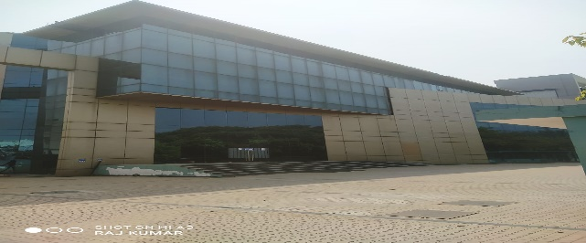 | 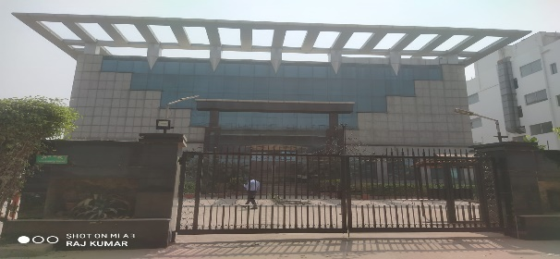 | 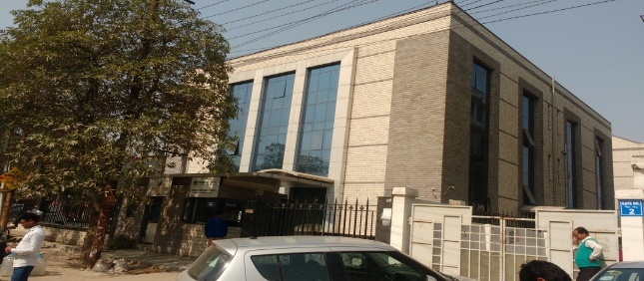 | 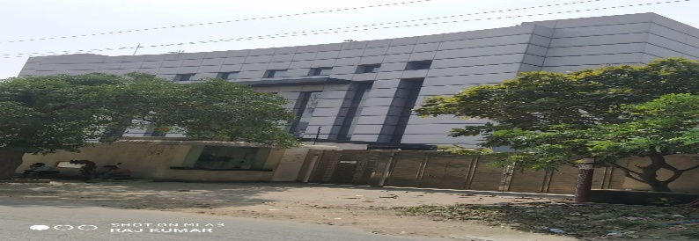 |  | 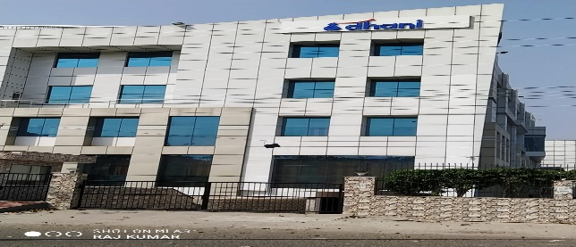 |  | 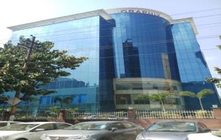 | 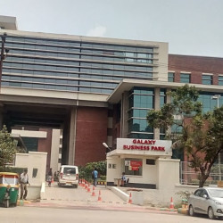 | 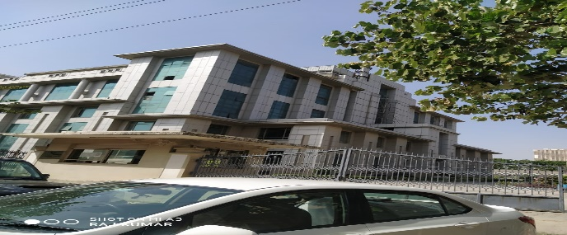 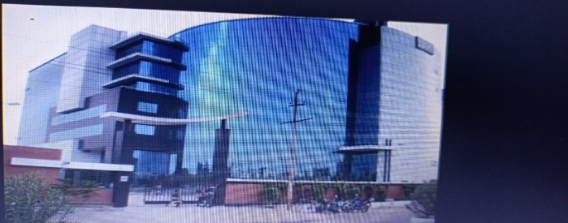
2 | Building Number/Building Name | A-22 | H-9 | H-33 | A-154/B | D-217 | A-31 | A-36 | Graphix Tower | Galaxy Business Park | Money Tower | IBM
3 | Location | Sector-60 | Sector-63 | Sector-63 | Sector-63 | Sector-63 | Sector-64 | Sector-64 | A-13A, Sector-62 | A-44/45, Sector-62 | A-16, Sector-62 | B-19, Sector-62
4 | Building Usage | INDUSTRIAL/ IT& ITES | INDUSTRIAL/ IT& ITES | INDUSTRIAL/ IT& ITES | INDUSTRIAL/ IT& ITES | Industrial | INDUSTRIAL/ IT& ITES | INDUSTRIAL/ IT& ITES | IT & ITES | IT & ITES | IT & ITES | IT & ITES
5 | Total Area in the building ( In Sq.Ft. as quoted by Developer/ Owner ) | Avg . Floor plate = 22,000 to 26000 Sq. Ft. Total Floors= B+G+3 Total Available Area = 1,05,000 Sq. Ft | Avg . Floor plate =21,000 Sq. Ft. Total Floors = B+G+2 Total Available Area = 66,000 Sq. Ft | Avg . Floor plate = 1100 Sq. Ft. Total Floors = B+G+2 Total Available Area = 44,000 Sq. Ft | Avg . Floor plate = 58333 Sqft Total Floors = B+G+3 Total Available Area = 1 ,75,000 Sq. Ft | Avg . Floor plate = 11,000 Sq. Ft. Number Of Floors = G+2 Total Area = 33,000 Sq. Ft (Approx) | Avg . Floor plate = 35000Sq. Ft. Total Floors = B+G+3 Total Available Area = 140,000Sq. Ft | Avg . Floor plate = 22000Sq. Ft. Total Floors = B+G+2 Total Available Area = 88000Sq. Ft | Avg . Floor plate = 34,500 Sq. Ft. Number Of Floors = B+G+7 Total Area = 3,16,000 Sq. Ft (Approx) Basement=40,000 Sq.Ft. | Avg . Floor plate = 33,000 Sq. Ft. Number Of Floors = 2B+G+UG+10 (Tower-A) | Avg . Floor plate = 25,000 Sq. Ft. Number Of Floors = 2B+G+6 Total Area = 175,000 Sq. Ft (Approx) | Avg . Floor plate = 25,000 Sq. Ft. Number Of Floors = B+G+7 Total Area = 156,000 Sq. Ft (Approx)
 | Total Aira Available On Lease | Total Aira Avlabal On Lease= 104,000 Sqft | Total Aira Avlabal On Lease= 66,000 Sqft | Total Aira Avlabal On Lease= 44,000 Sqft | Total Aira Avlabal On Lease= 1,75,000 Sqft | Total Aira Avlabal On Lease= 33,000 Sqft | Total Aira Avlabal On Lease= 140,000 Sqft | Total Aira Avlabal On Lease= 22,000 Sqft | Total Aira Avlabal On Lease= 104,000 Sqft | Total Aira Avlabal On Lease= 104,000 Sqft | Total Aira Avlabal On Lease= 175,000 Sqft | Total Aira Avlabal On Lease= 100,000 Sqft
6 | Offered Chargeable Area ( In Sq.Ft. as quoted by Developer/ Owner ) | Ground to 3rd Floor= 26000 Sqft Each | Ground to 2nd Floor=21,000 Sqft Each | Ground to 3rd Floor= 11000 Sqft Each | Ground Floor = 58,333 Sq Ft Each | Ground to 2nd=11,000 Sq.Ft.(Each) | Ground Floor to 3rd Floor= 35,000 Each | 2nd Floor= 22,000 Sqft | Tower-A | Tower-A
7 | Efficiency in % [ ± 2% ] (Approx. subject to actual measurement) | 75-80% | 75-80% | 75-80% | 75-80% | 80% | 75-80% | 75-80% | 65% | 70% | 70% | 70%
8 | Premises condition | Furnished | Furnished | To Be Furnished | Furnished | Furnished | Furnished | Furnished | Warm shell to be Furnished | To be Fully Furnished | Warm shell to be Furnished | Furnished
9 | Possession for Fit outs | Immediate | Immediate | Immediate | Immediate | Immediate | Immediate | Immediate | Immediate | Immediate | Immediate | Immediate
10 | Possession for Operations | Immediate | Immediate | Immediate | Immediate | Immediate | Immediate | Immediate | Immediate | Immediate | Immediate | Immediate
11 | Air Conditioning | Spilt | centralised | Split | Split | Centrally Air Conditioned | split | split | Centrally Air Conditioned | Chillar | Chillar | Chillar
12 | Power Back Up Availability [ DG - KVA] | 100% | 100% | 100% | 100% | 100% | 100% | 100% | 100% | 100% | 100% | 100%
13 | Parking | Common parking space available inside & around the building | Common parking space available inside & around the building | Common parking space available inside & around the building | Common parking space available inside & around the building | Ample parking space around the building | Common parking space available inside & around the building | Common parking space available inside & around the building | 1 Car park FoC : 1000 Sq. Ft. area leased & Common parking space available around the building on chargeable basis | One reserved car parking space FoC available on every 1000 Sq.Ft leased / Common car parking available in and around the building on chargeable basis | One reserved car parking space FoC available on every 1000 Sq.Ft leased / Common car parking available in and around the building on chargeable basis | One reserved car parking space FoC available on every 1000 Sq.Ft leased / Common car parking available in and around the building on chargeable basis
FINANCIALS
14 | Quoted Rent ( Rs. Per Sq. Ft. on chargeable area ) | To be discussed | To be discussed | Furnished=Rs. 50/- per Sq.Ft. | To be discussed | Furnished=Rs. 40/- per Sq.Ft. | To Be discussed | To Be discussed | To be Fully Furnished = Rs.65/- per Sq. Ft. | To be Fully Furnished = Rs.65/- per Sq. Ft. | To Be discussed | Furnished=Rs. 60/- per Sq.Ft.
15 | Maintenance Charges on Chargeable Area | To be discussed | To be Discussed | To be discussed | To be discussed | To be discussed | As per actual | As per actual | Rs.15 /- per Sq.Ft.(12*7) (The above quoted charges includes running cost of AC Chillar, 24 X 7 common area security,cleaning & its maintenance,maintenance of DG Set & AC facility) | Rs. 17/- per Sq.Ft. (The above quoted charges includes 24 X 7 common area security,cleaning & its maintenance,maintenance of DG Set & Other common electrical equipement) | To Be discussed | To Be discussed
16 | Other Occupants of the Building | Vacant | Vacant | Vacant | Vacant | Vacant | Vacant
17 | Distance from Current Metro Station | 700 mtr | 1 kmtr | 200 mtr | 700 mtr | Approx 1 KM | 1.5 kmtr | 1.5 kmtr | Approx 500 Mtr. | Approx 800 Mtr. | Approx 800 Mtr. | Approx 800 Mtr.
* The rates and Options quoted above are subject to day-to-day availability and final negotiation with the concerned landlord.
**On successful transaction, Tech Realtroz will charge one month rent plus GST as our Brokerage / Consultation fees.
*** There are few more options to be confirmed at the time of site visit

